Social area - Prefabs list
Markers
https://booth.pm/en/items/1555789

Video player
https://github.com/MerlinVR/USharpVideo

Clock
https://www.artstation.com/artwork/Nx5Adz

Billiards
https://github.com/VRCBilliards/vrcbce

Beer pong
https://github.com/Thryrallo/UdonPrefabs/releases/tag/beerpong_v1.0.5

Skee-ball
https://booth.pm/en/items/3480169

Never have I ever
https://github.com/VrcUdon/Udon/tree/master/Games/Never%20Have%20I%20Ever

Chess
https://github.com/emymin/EmyChess

Mahjong
https://booth.pm/en/items/2300392
(Kfarwell owns a copy but we will add any prefab costs if you need to purchase them to the budget)

Toggleable menu
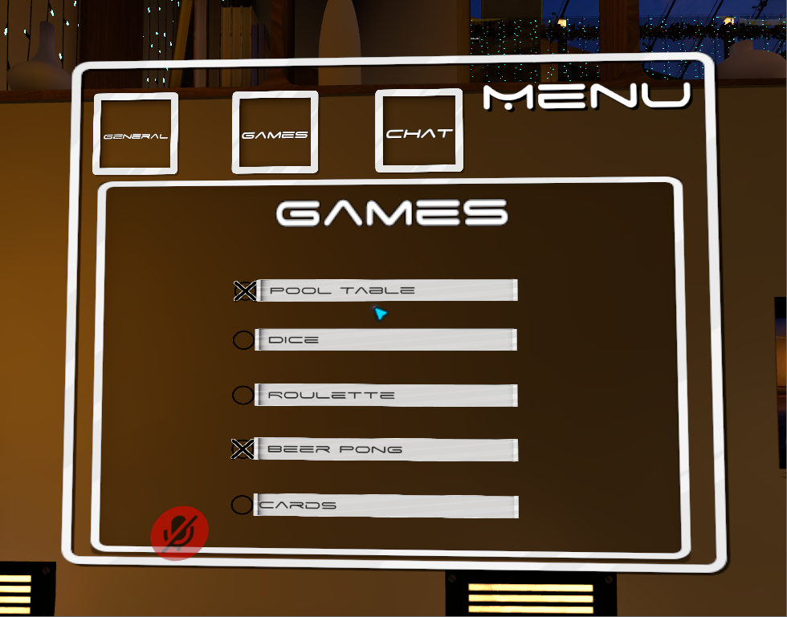

Aurora skybox + Audiolink
https://github.com/PiMaker/VRChatUnityThings#aurora

The Clapper™️
https://github.com/Thryrallo/UdonPrefabs/tree/main/Clapper

